Form Instructions
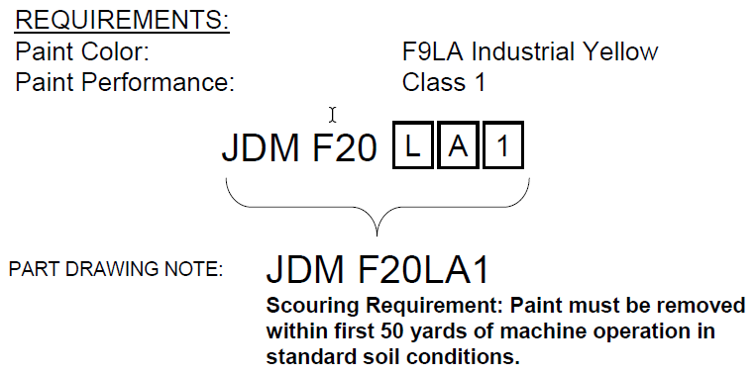
Revision Date: 23 October 2023 |  |  |  |  |  |  |  | Revision Expiration: 30 September 2024
JDM F20X2: Primary Paint Process Qualification Request
General Information and Instructions
1) Prerequisites for Qualification
 | All Paint Qualification submissions are subject to review. Submissions that do not meet the following requirements, or that are not submitted per these form instructions, may be rejected.
● | The paint processes must meet the prerequisites for the paint performance requirement as outlined in JDV30.
● | It is expected that all submissions will utilize paints from our preferred supplier list. Exceptions may be considered for e-coat at tiered suppliers.
 |  | John Deere Preferred Paint Suppliers by Application:
 |  | Liquid |  | Powder |  | E-Coat
 |  | PPG |  | PPG |  | PPG
 |  | Sherwin Williams (including Gross & Perthun, Valspar) |  | Sherwin Williams (including Gross & Perthun, Valspar) |  | Sherwin Williams

 |  |  |  | Akzo Nobel*
 |  | *Akzo Nobel is preferred for powder at tier level suppliers only.
2) Lead Free Requirement
 | ALL PAINT USED ON JOHN DEERE PRODUCTS SHALL BE LEAD FREE. FOR PURPOSES OF THIS STANDARD, LEAD FREE IS DEFINED AS <0.06% (600 PARTS PER MILLION) BY MASS IN THE DRY FILM. ALL SUBMISSIONS WILL BE SCREENED UPON ARRIVAL AT THE JOHN DEERE PAINT LAB.
3) Additional Information
 | This process is used to qualify a paint process per JDM F17X2 requirements. If this form is being used to qualify a process change, a Supplier Change Request (SCR) may also be required, which is managed by the factory that is consuming the product.
Responsibilities for Completing this Form
1) The John Deere unit requesting this qualification must complete the following actions:
● | Ensure that the form revision is not expired (see expiration date at top of page 1). Best practice is to download a new form from the Global Paint Team SharePoint site or JDSN for each new project (see links below). To ensure that current forms are utilized, projects submitted with expired revisions will be rejected.
 | https://deere.sharepoint.com/sites/globalpaint/SitePages/Supplier-Paint-Qualification.aspx |  |  |  |  |  | or https://jdsn.deere.com
● | Complete the "Requesting Unit and Requirement Information" table on the Process Information sheet
● | Save the file with a new name, replacing the word BLANK with the supplier name and paint requirement.
● | Forward the document to the supplier of the parts requiring paint qualification.
2) The tier 1 supplier must complete the following actions:
● | Complete the "Part Supplier Information" table on the Process Information sheet
● | Identify the substrates that require qualification in the "Painted Panel Submission Information" on the Process Information sheet.
3) The painting facility or tier 1 supplier must complete following tables in the process information sheet: "Painting Facility Information", "Topcoat Information", "Primer Information", and "Pretreatment Process Information".
continued on page 2
Preparing Samples for Qualification Testing
Substrate B: Five (5) 4" x 12" Lab Panels Purchased without Pretreatment (0.032” Thickness)
(100mm x 300mm x 0.8mm thick panels may be used)
● | Substrate B is required for class 3, but is not required for class 1 and 2 qualifications.
● | These panels shall be cold rolled steel conforming to the JDQ 1B standard
● | Pretreat, paint, and cure through supplier’s production paint line
● | Lab Panels can be purchased through ACT Test Panels (www.acttestpanels.com) or Q-Panel (www.q-panel.com)
Substrate C: Five (5) Samples of Each Production Substrate (Hot Rolled, Cold Rolled, Cast Iron, etc.)
● | Substrate C is required for all JDM F20 qualifications.
● | Samples must measure approximately 4” x 6” to 4” x 12” (100mm x 150mm to 100mm x 300mm)
● | Pretreat, paint, and cure through supplier’s production paint line
NOTE: A separate form and samples are required for each color being qualified.

Submitting Forms and Samples for Qualification Testing
Testing is to be conducted at a lab approved by Moline Technology Innovation Center (MTIC) to conduct JDM F20X2 qualification testing. Most of our preferred paint suppliers have testing labs certified to conduct JDM F20X2 testing.
1) Submitting the Forms to MTIC
● | For testing to be completed at MTIC, the completed form should be submitted per the instructions below.
● | Send the forms in native format to the unit contact and the MTIC Paint Lab (email address listed below).
 | MTICPaintLab@JohnDeere.com
● | If testing is completed at a preferred paint supplier lab, the testing lab will submit the forms to MTIC after testing is completed. (Note: The Testing Lab information on the Process Information sheet must be filled out by the testing lab.)
2) Submitting Samples
● | Contact the preferred paint supplier that you are using to find out if they have a testing facility approved to conduct JDM F20X2 testing, and if they will be able to complete the testing. If they are not able to provide testing, untested samples may be submitted to the MTIC Paint Lab at the address below.
● | Submit the samples with a printed copy of the Process Information pages to the address below, and submit the completed form to MTICPaintLab@JohnDeere.com. (or IndiaPaintLab@JohnDeere.com).
Submit samples to: |  |  | Moline Technology Innovation Center ATTN: Paint Lab One John Deere Place Moline, IL 61265-8089 USA |  | or | John Deere India Pvt. Ltd. ETEC R&D Lab, ATTN: Paint Lab Lonikand.Plot no. 1 & 2,Lonikand, Taluka- Haveli,Pune 412216

3) Tracking Projects
● | For projects being tested at a preferred paint supplier lab, the painting facility can contact the paint supplier for status inquiries.
● | For projects in the queue at MTIC, John Deere personnel can track the projects on the following
 | SharePoint site: |  | https://deere.sharepoint.com/sites/globalpaint/SitePages/Supplier-Paint-Qualification.aspx

continued on page 3
Additional Information: Determination of Paint Requirements
1) Review paint designations on part prints. If prints refer to a withdrawn paint performance specification, refer to JDM F17X3 for correlation tables.
2) JDM F20 Print Designation Design
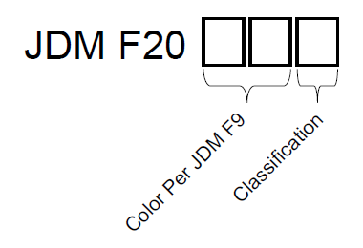

3) Each section of the designation has a correlating selection in the Process Information worksheet.
 | a) The Paint (Topcoat) Color Per JDM F9 needs to be entered in cell J35. (JDM F20 class 3 is considered a topcoat requirement)
 | b) The Primer Color Per JDM F9 needs to be entered in cell J42. If the print uses the F9ZZ color designation, list the actual color used for the primer. (JDM F20 classes 1 and 2 can be considered primer requirements)
 | c) The classification is to be entered in cell F8
 | d) Additional Requirements and/or exceptions (when applicable) need to be listed in cells B13

4) Print Designation Example

