Form Instructions
Revision Date: 16 January 2020 |  |  |  |  |  |  |  | Revision Expiration: 31 January 2021
JDM F14X2: High Temperature Paint Process Qualification Request
General Information
1) Prerequisites for Qualification
 | All Paint Qualification submissions are subject to review. Submissions that do not meet the following requirements, or that are not submitted per these form instructions, may be rejected.
● | All required samples must be submitted for testing. Incomplete submissions will be rejected without testing.
● | All required information on the Process Information sheet must be completed.
● | JDM F14X1 qualification is required of the paint material prior to completion of a JDM F14X2 Qualification.
2) Lead Free Requirement
 | ALL PAINT USED ON JOHN DEERE PRODUCTS SHALL BE LEAD FREE. FOR PURPOSES OF THIS STANDARD, LEAD FREE IS DEFINED AS <0.06% (600 PARTS PER MILLION) BY MASS IN THE DRY FILM. ALL SUBMISSIONS WILL BE SCREENED UPON ARRIVAL AT THE MTIC PAINT LAB.
3) Additional Information
 | This process is used to qualify a paint process per JDM F14X2 requirements. If this form is being used to qualify a process change, a Supplier Change Request (SCR) may also be required which is managed by the factory that is consuming the product.
Responsibilities for Completing this Form
1) The John Deere unit requesting this qualification must complete the following actions:
● | Ensure that the form revision is not expired (see expiration date at top of page 1). Best practice is to download a new form from the Global Paint Team SharePoint site for each new project (see link below). To ensure that current forms are utilized, projects submitted with expired revisions will be rejected.
 | http://share-internal.deere.com/teams/gpt/SitePages/SupplierPaint.aspx
● | Complete the "Requesting Unit Information" table on the Process Information sheet
● | Forward the document to the supplier of the parts requiring paint qualification.
2) The tier 1 supplier must complete the following actions:
● | Complete the "Part Supplier Information" table on the Process Information sheet
● | Identify the substrates that require qualification in the "Painted Panel Submission Information" on the Process Information sheet.
3) The painting facility or tier 1 supplier must complete following tables in the process information sheet: "Painting Facility Information", "Topcoat Information", "Primer Information", and "Pretreatment Process Information". The completed form is to be returned to the John Deere unit contact prior to submitting samples for testing.
Preparing Samples for Qualification Testing
JDM F14X2 qualification is substrate and process specific. Each substrate and paint material combination supplied to John Deere requires qualification. All samples must be processed through the production paint process, including pretreatment, paint application, and cure.
 | Substrate C: Ten (10) Samples of Each Production Substrate (Aluminized Steel, Cold Rolled Steel, etc.)
 | ● | Samples may be production parts, or samples cut from production material.
 | ● | Samples must measure approximately 4” x 6” to 4” x 12” (100mm x 150mm to 100mm x 300mm)
NOTE: A separate form is required for each performance requirement. Multiple substrates can be qualified on one form as long as they have the same performance requirement (i.e. JDM F14T1A).
continued on page 2
Submitting Forms and Samples for Qualification Testing
1) Submitting the Forms to the MTIC Paint Lab (John Deere unit contact)
● | Send the forms in native format to the unit contact and the MTIC Paint Lab (email address listed below).
 | MTICPaintLab@JohnDeere.com
2) Submitting Samples
● | Submit the samples with a printed copy of the Process Information pages to the address below.
 |  |  | Moline Technology Innovation Center ATTN: Paint Lab One John Deere Place Moline, IL 61265-8089 USA
3) Tracking Projects- John Deere personnel may track projects at the Global Paint Team SharePoint site listed below.
 | http://share-internal.deere.com/teams/gpt/SitePages/SupplierPaint.aspx

Additional Information Regarding Print Designations for JDM F14

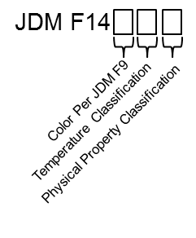
 |  |  |  | Temperature Classification, Physical Property Classification, and Color must be selected
 |  |  |  | in the "Requesting Unit and Paint Requirement Information" table.

 |  |  |  | Previous revisions of JDM F14 did not contain a separate Physical Property
 |  |  |  | Classification (Class A or Class B).

 |  |  |  | If the print does not contain a Physical Property Classification, use the tabel below or
 |  |  |  | Table 6 in JDM F14 to determine the appropriate Physical Property Classification.

 |  |  |  | Correlation Between Previous JDM F14 Revisions and Current Revision
 |  |  |  | Performance Class |  | Previous Designations | Current Designations
 |  |  |  | 1 |  | JDM F14T1 | JDM F14T1B
 |  |  |  | 2 |  | JDM F14T2 | JDM F14T2B
 |  |  |  | 3 |  | JDM F14T3 | JDM F14T3A
 |  |  |  | 4 (Aluminized Substrates) |  | JDM F14T4 | JDM F14T3A
 |  |  |  | 4 (All other substrates) |  | JDM F14T4 | JDM F14T4A

Designation Example
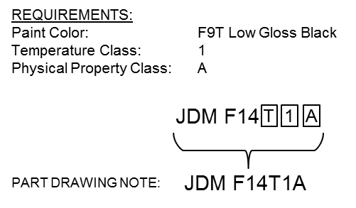

For full explaination of JDM F14 requirements and designations, refer to the JDM F14 standard. This standard is available to
suppliers on the John Deere Supplier Network (JDSN) at: |  |  |  |  | https://jdsn.deere.com

