Form Instructions
Revision Date: 23 October 2023 |  |  |  |  |  |  |  | Revision Expiration: 30 September 2024
JDM F17X2: Primary Paint Process Qualification Request
General Information and Instructions
1) Prerequisites for Qualification
 | All Paint Qualification submissions are subject to review. Submissions that do not meet the following requirements, or that are not submitted per these form instructions, will be rejected.
● | The paint processes must meet the prerequisites for the paint performance requirement as outlined in JDV30.
● | It is expected that all submissions will utilize paints from our preferred supplier list. Exceptions may be granted for e-coat.
● | Topcoats and primers must already be qualified per JDM F17X1 before they can be used in a JDM F17X2 submission. John Deere works directly with our preferred paint suppliers to complete JDM F17X1 qualifications. Contact one of the John Deere Preferred paint suppliers listed below to inquire about JDM F17X1 approved paint material options that best fit your process and paint requirements.
 |  | John Deere Preferred Paint Suppliers by Application:
 |  | Liquid |  | Powder |  | E-Coat
 |  | PPG |  | PPG |  | PPG
 |  | Sherwin Williams (including Gross & Perthun, Valspar) |  | Sherwin Williams (including Gross & Perthun, Valspar) |  | Sherwin Williams

 |  |  |  | Akzo Nobel*
 |  | *Akzo Nobel is preferred for powder at tier level suppliers only.
2) Lead Free Requirement
 | ALL PAINT USED ON JOHN DEERE PRODUCTS SHALL BE LEAD FREE. FOR PURPOSES OF THIS STANDARD, LEAD FREE IS DEFINED AS <0.06% (600 PARTS PER MILLION) BY MASS IN THE DRY FILM. ALL SUBMISSIONS WILL BE SCREENED UPON ARRIVAL AT THE JOHN DEERE PAINT LAB.
3) Additional Information
 | This process is used to qualify a paint process per JDM F17X2 requirements. If this form is being used to qualify a process change, a Supplier Change Request (SCR) may also be required, which is managed by the factory that is consuming the product.
Responsibilities for Completing this Form
1) The John Deere unit requesting this qualification or tier 1 supplier must complete the following actions:
● | Ensure that the form revision is not expired (see expiration date at top of page 1). Best practice is to download a new form from JDSN or the Global Paint Team SharePoint site for each new project (see link below). To ensure that current forms are utilized, projects submitted with expired form revisions will be rejected.
 | https://deere.sharepoint.com/sites/globalpaint/SitePages/Supplier-Paint-Qualification.aspx |  |  |  |  |  | or https://jdsn.deere.com
● | Complete the "Requesting Unit and Requirement Information" table on the Process Information sheet
● | Save the file with a new name, replacing the word BLANK with the supplier name and paint requirement.
● | Forward the document to the supplier of the parts requiring paint qualification.
2) The tier 1 supplier must complete the following actions:
● | Complete the "Part Supplier Information" table on the Process Information sheet
● | Identify the substrates that require qualification in the "Painted Panel Submission Information" on the Process Information sheet.
3) The painting facility or tier 1 supplier must complete following tables in the process information sheet: "Painting Facility Information", "Topcoat Information", "Primer Information", and "Pretreatment Process Information".
continued on page 2
Preparing Samples for Qualification Testing
JDM F17X2 qualification requires both lab panels (substrate B) and production substrate (substrate C). All samples must be processed through the production paint process, including the pretreatment process.
Substrate B: Eight (8) 4" x 12" Lab Panels (0.032” Thickness) according to JDQ 1B
(100mm x 300mm x 0.8mm thick panels may be used)
● | These panels shall be cold rolled steel conforming to the JDQ 1B standard
● | Lab Panels can be purchased through ACT Test Panels (www.acttestpanels.com) or Q-Panel (www.q-panel.com)
● | Note: If all Substrate C materials are non-ferrous, then only one substrate B panels is required for instrumental color and gloss measurements.
Substrate C: Eight (8) Samples of Each Production Substrate (Hot Rolled, Cold Rolled, Cast Iron, etc.)
● | Samples may be production parts, or panels cut from production material of similar grade and thickness. Exceptions will be considered when this is not feasible.
● | Samples must measure approximately 4” x 6” to 4” x 12” (100mm x 150mm to 100mm x 300mm)
● | Note: This form should not be used for plastic substrates. The form for painted plastics is available on JDSN and to John Deere employees at the SharePoint site listed at the end of these instructions.
Edge Coverage Samples:
● | If DTW 1359 Edge Coverage requirements exist, additional samples will be required.
● | Sample requirements will be defined on the Edge Coverage Report worksheet.
● | Samples must be rectangular measuring approximately 4” x 6” to 4” x 12” (100mm x 150mm to 100mm x 300mm)
NOTE: A separate form and samples are required for each color being qualified. If more than two colors are painted in the same process, then additional topcoats can be qualified as secondary qualifications. See JDM F17X2 for details.
Submitting Forms and Samples for Qualification Testing
Testing is to be conducted at a lab approved by Moline Technology Innovation Center (MTIC) to conduct JDM F17X2 qualification testing. Most of our preferred paint suppliers have testing labs certified to conduct JDM F17X2 testing.
1) Submitting the Forms to the testing facility
● | For testing to be completed at MTIC, the completed form should be submitted per the instructions below.
● | Send the forms in native format to the unit contact and the MTIC Paint Lab (email address listed below).
 | MTICPaintLab@JohnDeere.com
● | If testing is completed at a preferred paint supplier lab, the testing lab will submit the forms to MTIC after testing is completed. (Note: The Testing Lab information on the Process Information sheet must be filled out by the testing lab.)
2) Submitting Samples
● | Contact the preferred paint supplier that you are using to find out if they have a testing facility approved to conduct JDM F17X2 testing, and if they will be able to complete the testing. If they are not able to provide testing, untested samples may be submitted to the MTIC Paint Lab at the address below.
● | Submit the samples with a printed copy of the Process Information pages to the address below, and submit this completed form to MTICPaintLab@JohnDeere.com. (or IndiaPaintLab@JohnDeere.com).
Submit samples to: |  |  | Moline Technology Innovation Center ATTN: Paint Lab One John Deere Place Moline, IL 61265-8089 USA |  | or | John Deere India Pvt. Ltd. ETEC R&D Lab, ATTN: Paint Lab Lonikand.Plot no. 1 & 2,Lonikand, Taluka- Haveli,Pune 412216
3) Tracking Projects
● | For projects being tested at a preferred paint supplier lab, the painting facility can contact the paint supplier for status inquiries.
● | For projects in the queue at MTIC, John Deere personnel can track the projects on the following
 | SharePoint site: |  | https://deere.sharepoint.com/sites/globalpaint/SitePages/Supplier-Paint-Qualification.aspx
continued on page 3
Additional Information
Determination of Paint Requirements
1) Review paint designations on part prints. If prints refer to a withdrawn paint performance specification, refer to the JDM F17X3 specification for correlation tables.
2) JDM F17 Print Designation Design
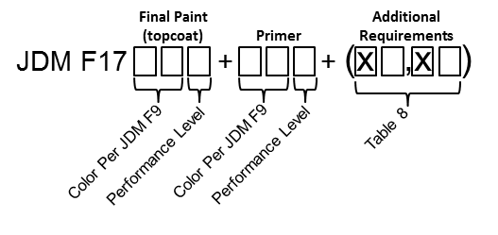

3) Each section of the designation has a correlating selection in the Process Information worksheet.
 | a) The Final Paint (Topcoat) Color Per JDM F9 needs to be entered in cell J34.
 | b) The Primer Color Per JDM F9 needs to be entered in cell J41. If the print uses the F9ZZ color designation, list the actual color used for the primer.
 | c) The Final Paint Performance Level (or Primer Performance Level if there is not a topcoat) is to be entered in cell F8
 | d) Additional Requirements and/or exceptions (when applicable) need to be listed in cells B12 to F12

4) Print Designation Example
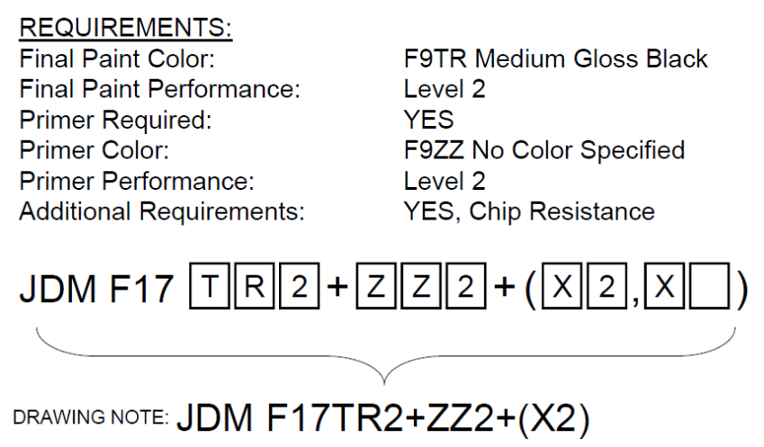

Maintaining Qualifications
1) JDM F17X2 contains requirements for a supplier to maintain qualifications. This includes performing internal process corrosion testing at least semi-annually.
2) Testing may be completed internally at the supplier, at a paint or pretreatment supplier, or at a contract laboratory as long as testing is completed according to JDQ 115.
3) Qualifications will be valid for 5 years as long as the process has not changed and requirements for maintaining qualifications are met.
4) See JDM F17X2 for additional details on these requirements.

