Form Instructions
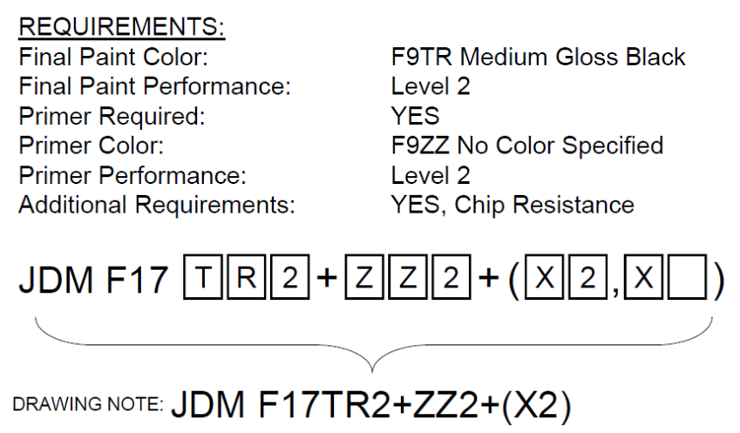
Revision Date: 25 January 2021 |  |  |  |  |  |  | Revision Expiration: 30 January 2022
JDM F17X2: Secondary Paint Process Qualification Request
General Information and Instructions
1) Secondary Qualifications
Secondary Qualifications are defined in JDM F17X2, and include qualification of additional substrates or colors for a previously qualified paint process. Secondary qualifications apply only to metallic substrates. The following requirements apply for secondary qualifications for an additional color. If you do not have evidence that all of these requirements are met, the primary qualification process shall be used. Submissions with unmet requirements will be rejected.
● | Two primary qualifications shall be completed using the paint process prior to submitting a secondary qualification.
● | The topcoat shall be of similar resin technology as the topcoat used in the primary qualification.
● | The pretreatment process and primer shall be identical to those used in two existing primary qualifications.
● | The qualification level for the secondary qualification shall be equivalent to the primary qualification.
2) Prerequisites for Qualification
All Paint Qualification submissions are subject to review. Submissions that do not meet the following requirements, or that are not submitted per these form instructions, will be rejected.
● | The paint processes must meet the prerequisites for the paint performance requirement as outlined in JDV30.
● | It is expected that all submissions will utilize paints from our preferred supplier list. Exceptions may be considered for e-coat at tiered suppliers.
● | Topcoats (and primers supplied without a topcoat) must already be qualified per JDM F17X1 before they can be used in a JDM F17X2 submission. John Deere works directly with our preferred paint suppliers to complete JDM F17X1 qualifications. Contact one of the John Deere Preferred paint suppliers listed below to obtain JDM F17X1 approved paint materials.
 |  | John Deere Preferred Paint Suppliers by Application:
 |  | Liquid |  |  | Powder | E-Coat
 |  | Gross & Perthun |  |  | Gross & Perthun | PPG
 |  | PPG |  |  | PPG | Valspar/Sherwin Williams
 |  | Valspar |  |  | Valspar/Sherwin Williams
 |  |  |  |  | Akzo Nobel*
 |  | *Akzo Nobel is preferred for powder at tier level suppliers only.
3) Lead Free Requirement
ALL PAINT USED ON JOHN DEERE PRODUCTS SHALL BE LEAD FREE. FOR PURPOSES OF THIS STANDARD, LEAD FREE IS DEFINED AS <0.06% (600 PARTS PER MILLION) BY MASS IN THE DRY FILM. ALL SUBMISSIONS WILL BE SCREENED UPON ARRIVAL AT THE MTIC PAINT LAB.
4) Additional Information
For secondary qualifications, copies of the related primary qualification reports must be submitted with the samples.
Responsibilities for Completing this Form
1) The John Deere unit requesting this qualification must complete the following actions:
● | Ensure that the form revision is not expired (see expiration date at top of page 1). Best practice is to download a new form from JDSN or the Global Paint Team SharePoint site for each new project (see link below). To ensure that current forms are utilized, projects submitted with expired revisions will be rejected.
 | http://share-internal.deere.com/teams/gpt/SitePages/SupplierPaint.aspx
● | Complete the "Requesting Unit and Paint Requirement Information" table on the Process Information sheet
● | Save the file with a new name, replacing the word BLANK with the supplier name and paint requirement.
● | Forward the document to the supplier of the parts requiring paint qualification.
continued on page 2
2) The tier 1 supplier must complete the following actions:
● | Complete the "Part Supplier Information" table on the Process Information sheet
● | Identify the substrates that require qualification in the "Painted Panel Submission Information" on the Process Information sheet.
3) The painting facility or tier 1 supplier must complete following tables in the process information sheet: "Painting Facility Information", "Topcoat Information", "Primer Information", and "Pretreatment Process Information".
Preparing Samples for Qualification Testing
Secondary qualifications do not require the same amount of panels as primary qualifications. Secondary qualifications for additional colors or topcoats require only substrate B panels. Secondary qualifications for additional substrates only require the new substrate C samples. If this form is being utilized to add an additional requirement (i.e. Chip Resistance) to an existing qualification, please contact the testing facility for details on panel requirements.
Substrate B: Six (6) 4" x 12" Lab Panels Purchased without Pretreatment (0.032” Thickness)
(100mm x 300mm x 0.8mm thick panels may be used)
● | These panels shall be cold rolled steel conforming to the JDQ 1B standard
● | Lab Panels can be purchased through ACT Test Panels (www.acttestpanels.com) or Q-Panel (www.q-panel.com)
● | Note: If all Substrate C materials are non-ferrous, then only one substrate B panel is required for instrumental color and gloss measurements.
 | Substrate C: Six (6) Samples of Each Production Substrate (Hot Rolled, Cold Rolled, Cast Iron, etc.)
● | Samples may be production parts, or panels cut from production material.
● | Samples must measure approximately 4” x 6” to 4” x 12” (100mm x 150mm to 100mm x 300mm)
● | Note: This form should not be used for plastic substrates. The form for painted plastics is available to John Deere employees at the SharePoint site listed at the end of these instructions.
NOTE: A separate form and samples are required for each color being qualified. If more than two colors are painted in the same process, then additional topcoats can be qualified as secondary qualifications. See JDM F17X2 for details.
Submitting Forms and Samples for Qualification Testing
Testing is to be conducted at a lab approved by Moline Technology Innovation Center (MTIC) to conduct JDM F17X2 qualification testing. Most of our preferred paint suppliers have testing labs certified to conduct JDM F17X2 testing.
1) Submitting the Forms to the testing facility
● | For testing to be completed at MTIC, the completed form should be submitted per the instructions below.
● | Send the forms in native format to the unit contact and the MTIC Paint Lab (email address listed below).
 | MTICPaintLab@JohnDeere.com
● | If testing is completed at a preferred paint supplier lab, the testing lab will submit the forms to MTIC after testing is completed. (Note: The Testing Lab information on the Process Information sheet must be filled out by the testing lab.)
2) Submitting Samples
● | Contact the preferred paint supplier that you are using to find out if they have a testing facility approved to conduct JDM F17X2 testing, and if they will be able to complete the testing. If they are not able to provide testing, untested samples may be submitted to the MTIC Paint Lab at the address below.
● | Submit the samples with a printed copy of the Process Information pages to the address below, and submit the completed form to MTICPaintLab@JohnDeere.com.
Submit samples to: |  |  | Moline Technology Innovation Center ATTN: Paint Lab One John Deere Place Moline, IL 61265-8089 USA

Continued on Page 3
3) Tracking Projects
● | For projects being tested at a preferred paint supplier lab, the painting facility can contact the paint supplier for status inquiries.
● | For projects in the queue at MTIC, John Deere personnel can track the projects on the Global Paint Team SharePoint
 | site address listed here: |  |  | http://share-internal.deere.com/teams/gpt/SitePages/SupplierPaint.aspx

Additional Information: Determination of Paint Requirements
1) Review paint designations on part prints. If prints refer to a withdrawn paint performance specification, refer to JDM F17X3 for correlation tables.
2) JDM F17 Print Designation Design

3) Each section of the designation has a correlating selection in the Process Information worksheet.
 | a) The Final Paint (Topcoat) Color Per JDM F9 needs to be entered in cell J34.
 | b) The Primer Color Per JDM F9 needs to be entered in cell J41. If the print uses the F9ZZ color designation, list the actual color used for the primer.
 | c) The Final Paint Performance Level (or Primer Performance Level if there is not a topcoat) is to be entered in cell F8
 | d) Additional Requirements and/or exceptions (when applicable) need to be listed in cells B12 to F12

4) Print Designation Example

